Amphibole
Mineral | Amphibole
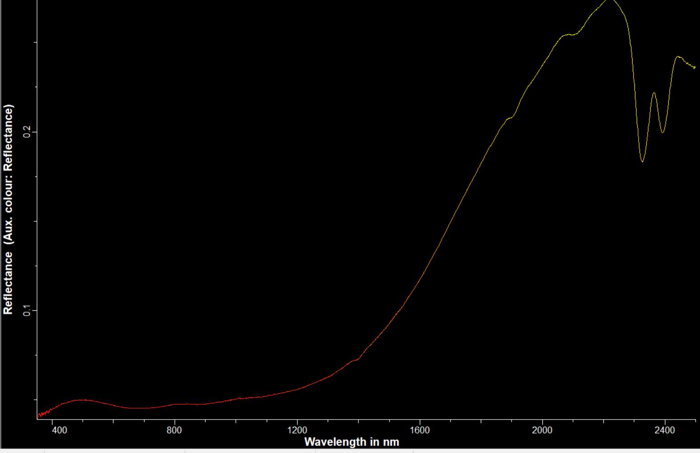
Feature Check
Feature # | Include/Exclude | L min | L max | Wmin | Wmax | Hmin% | Hmax% | ASmin | ASmax | Smooth? | Weight
F-2300 | include | 2300 | 2335 | 15 | 250 | 3 | 100 |  |  | low | 3
F-2380 | include | 2385 | 2425 | 15 | 250 | 3 | 100 |  |  | low | 3
F-2250 | exclude | 2230 | 2255 | 5 | 125 | 5 | 50 |  |  | low | 1
other | exclude | 2070 | 2100 | 5 | 100 | 5 | 25 |  |  | low | 1

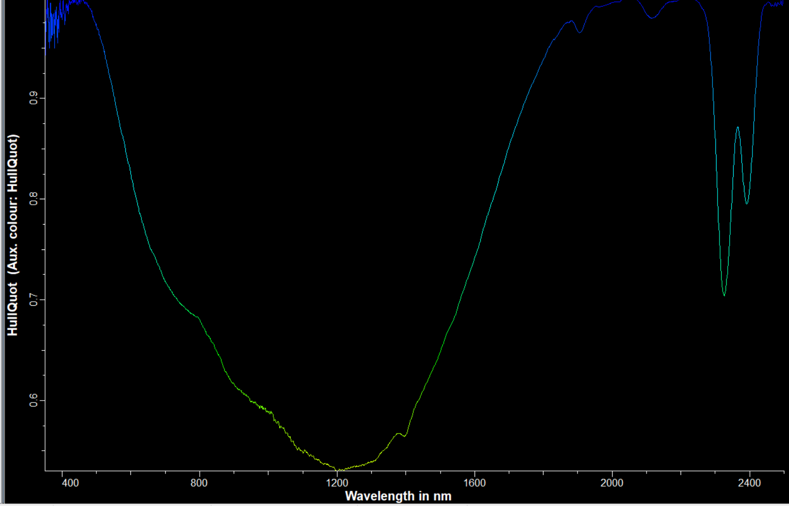
Shape Match
Region # | L min | L max | or | Feature | Smooth? | Weight
1 | 2290 | 2430 |  |  | med | 1
2
3
4

Band Math
Criteria # | Feature or R | parameter | equation | Feature or value | parameter | Weight
1 | F-2300 | depth | > | F-2380 | depth | 2
2 | Fe-slope |  | > | 1 |  | 1
3
4
5
6
7
8

Overall weighting
Features | 2
Shape | 1
Band Math | 2

Biotite
Mineral | Biotite

Feature Check
Feature # | Include/Exclude | L min | L max | Wmin | Wmax | Hmin% | Hmax% | ASmin | ASmax | Smooth? | Weight
F-2300 | include | 2310 | 2340 | 15 | 250 | 5 | 100 |  |  | low | 3
F-2380 | include | 2370 | 2405 | 15 | 250 | 5 | 100 |  |  | none | 3
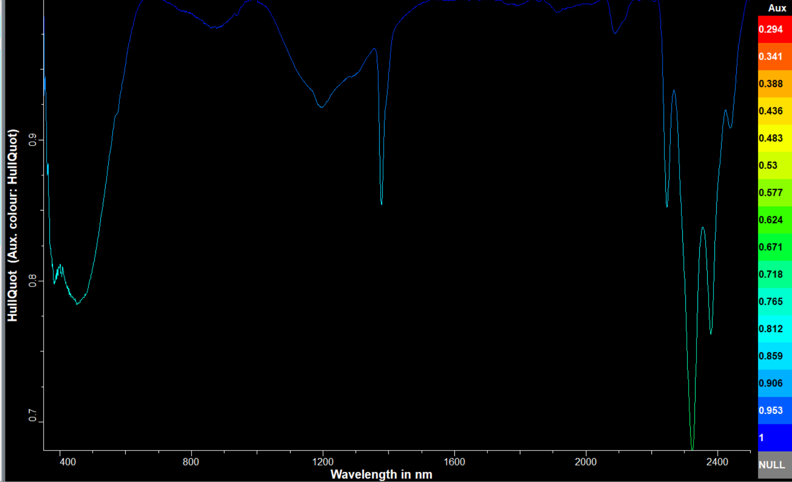
F-2250 | include | 2235 | 2265 | 5 | 125 | 3 | 50 |  |  | low | 2

Shape Match
Region # | L min | L max | or | Feature | Smooth? | Weight
1 | 2230 | 2400 |  |  | med | 1
2
3
4

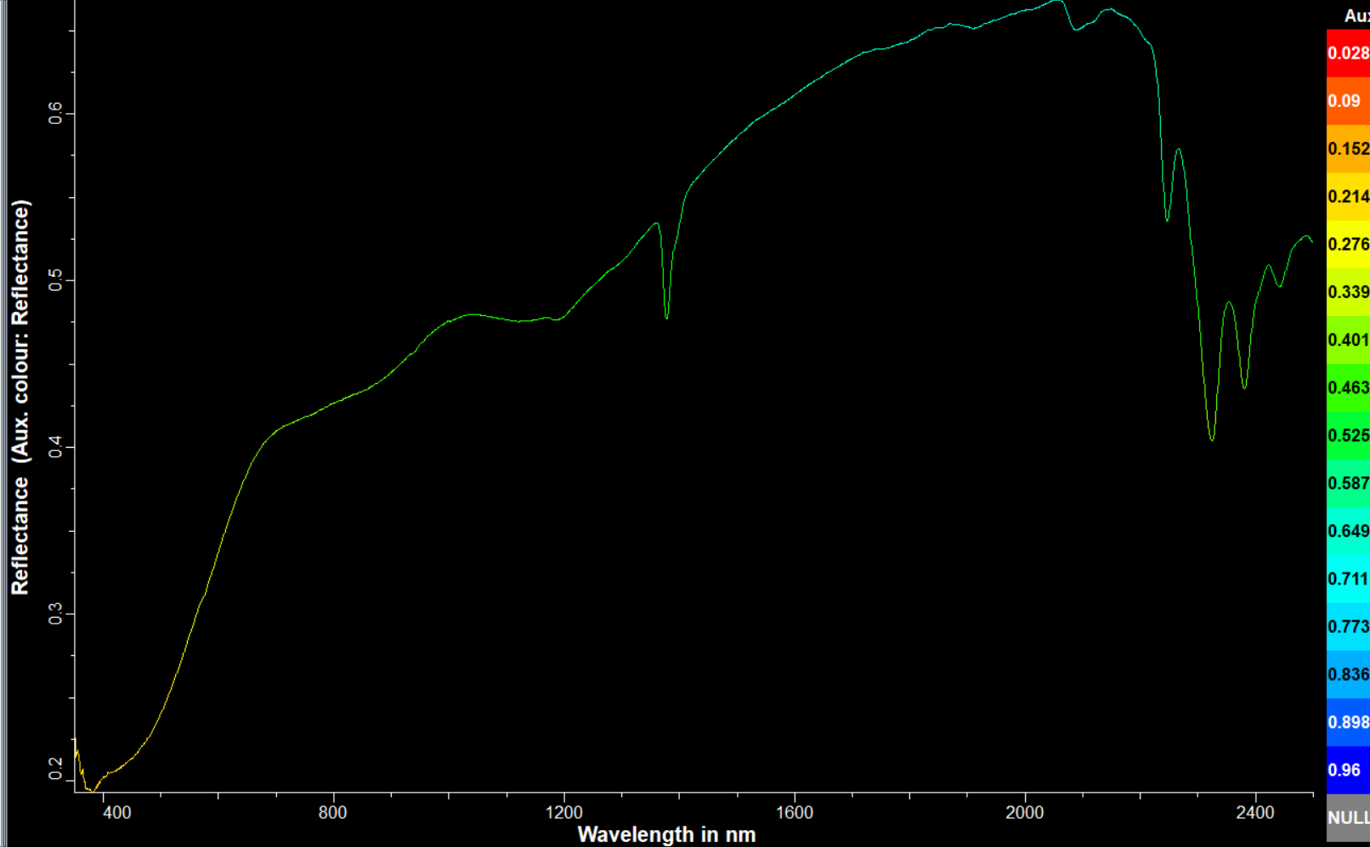
Band Math
Criteria # | Feature or R | parameter | equation | Feature or value | parameter | Weight
1 | F-2300 | depth | > | F-2380 | depth | 2
2 | Fe-slope |  | > | 1 |  | 1
3
4
5
6
7
8

Overall weighting
Features | 2
Shape | 1
Band Math | 1

Chlorite
Mineral | Chlorite

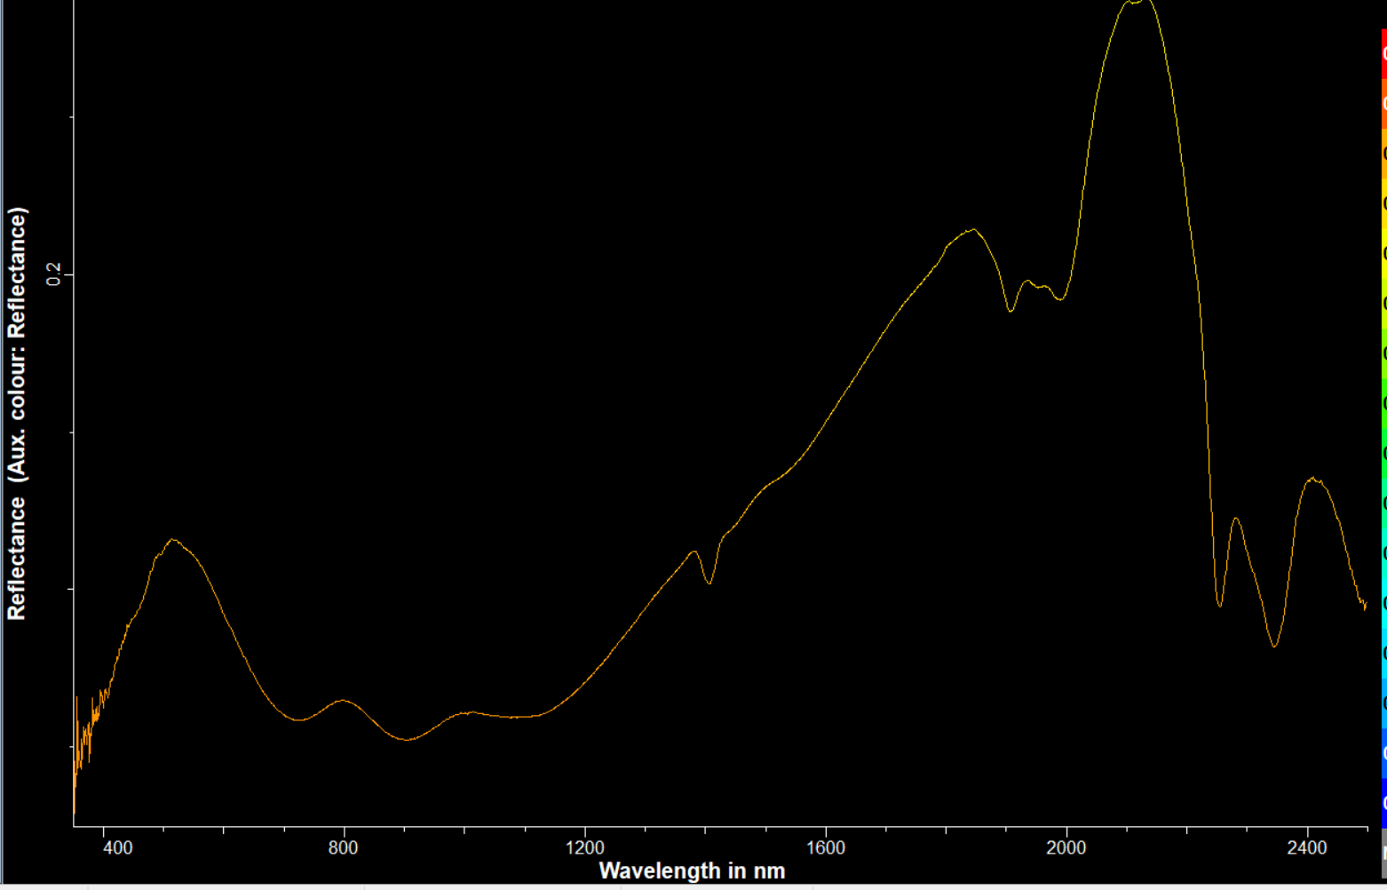
Feature Check
Feature # | Include/Exclude | L min | L max | Wmin | Wmax | Hmin% | Hmax% | ASmin | ASmax | Smooth? | Weight
F-2300 | include | 2325 | 2365 | 15 | 250 | 5 | 100 |  |  | low | 1
F-2380 | exclude | 2375 | 2425 | 15 | 250 | 3 | 100 |  |  | low | 1
F-2250 | include | 2240 | 2270 | 15 | 125 | 5 | 50 |  |  | low | 1

Shape Match
Region # | L min | L max | or | Feature | Smooth? | Weight
1 | 2235 | 2290 |  |  | med | 1
2
3
4

Band Math
Criteria # | Feature or R | parameter | equation | Feature or value | parameter | Weight
1 | R 2250 / R 2350 |  | > | 1 |  | 2
2 | Fe-slope |  | > | 1 |  | 1
3
4
5
6
7
8

Overall weighting
Features | 2
Shape | 1
Band Math | 2

Dickite
Mineral | Dickite

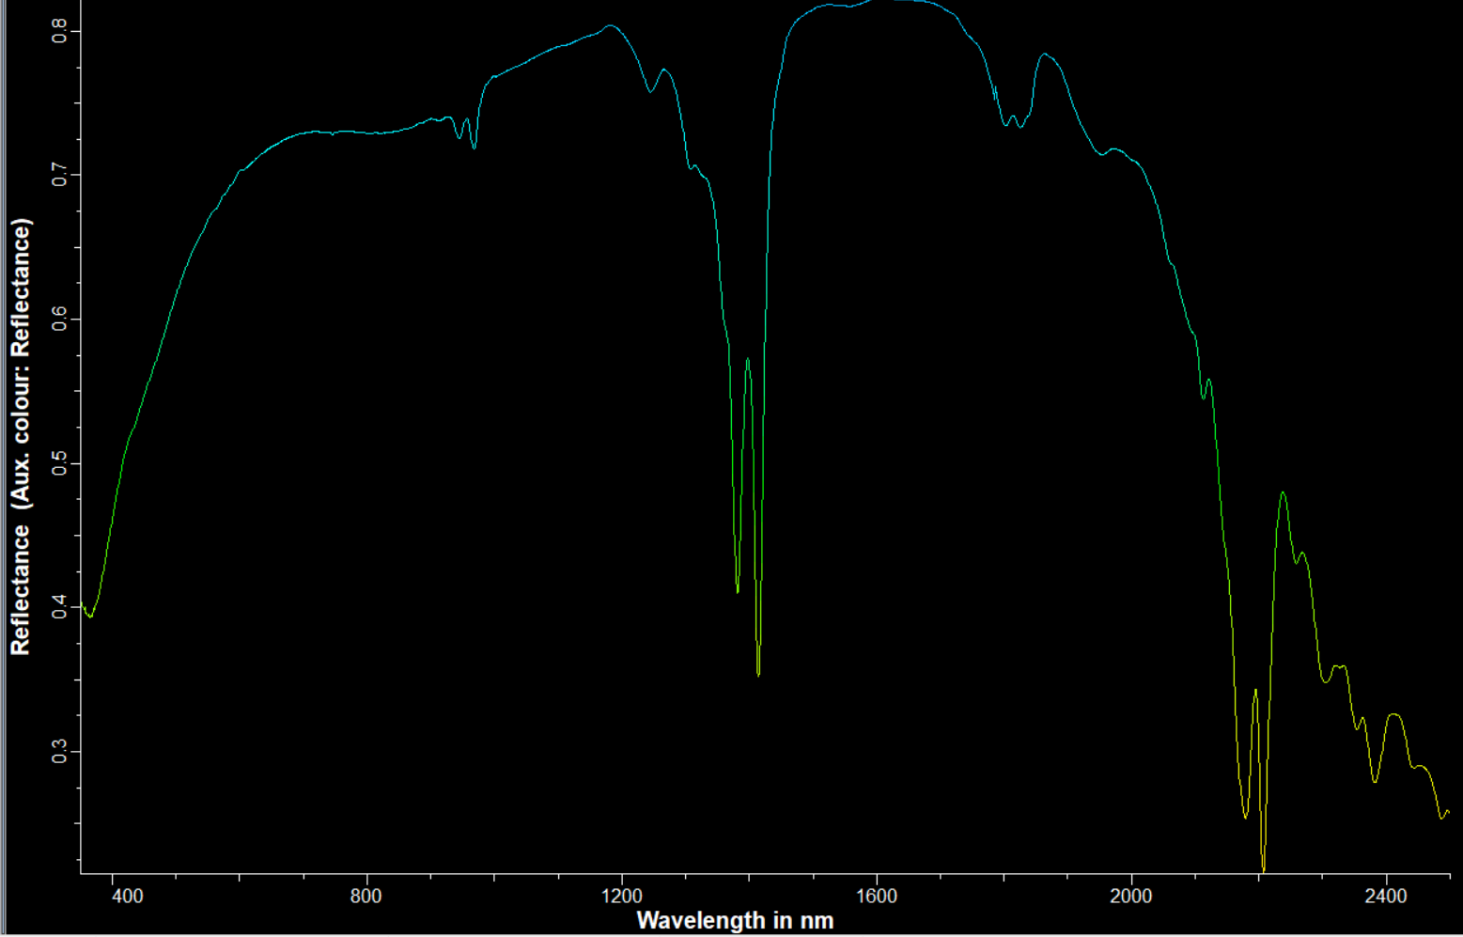
Feature Check
Feature # | Include/Exclude | L min | L max | Wmin | Wmax | Hmin% | Hmax% | ASmin | ASmax | Smooth? | Weight
F-1400 | include | 1380 | 1390 | 10 | 125 | 5 | 100 |  |  | none | 2
F-1400 | include | 1410 | 1425 | 10 | 150 | 5 | 100 |  |  | none | 1
F-2200 | include | 2200 | 2214 | 15 | 150 | 5 | 100 |  |  | none | 1

Shape Match
Region # | L min | L max | or | Feature | Smooth? | Weight
1 | 1370 | 1425 |  |  | med | 1
2
3
4

Band Math
Criteria # | Feature or R | parameter | equation | Feature or value | parameter | Weight
1 | R1380/R1420 |  | > | 1 |  | 2
2
3
4
5
6
7
8

Overall weighting
Features | 3
Shape | 1
Band Math | 2

